FP Example 1 and Figure 1
Example 1

Frequency polygon for the miles travelled
 | Class | True limits | Class mid-point | Frequency
 | 400 - 419 | 399.5 - 419 | 409.5 | 11
 | 420 - 439 | 419.5 - 439.5 | 429.5 | 23
 | 440 - 459 | 439.5 - 459.5 | 449.5 | 30
 | 460 - 479 | 459.5 - 479.5 | 469.5 | 21
 | 480 - 499 | 479.5 - 499.5 | 489.5 | 13

 |  |  |  |  | Figure 1

FP Example 1 Fig 10
Example 1

 | Class | True limits | Class mid-point | Frequency
 | 400 - 419 | 399.5 - 419 | 409.5 | 12
 | 420 - 439 | 419.5 - 439.5 | 429.5 | 27
 | 440 - 459 | 439.5 - 459.5 | 449.5 | 34
 | 460 - 479 | 459.5 - 479.5 | 469.5 | 24
 | 480 - 499 | 479.5 - 499.5 | 489.5 | 15

Frequency polygon for the miles travelled

 |  |  |  |  | Figure 10

FP X1
X1

Frequency polygon age
 |  |  | Mathematical limits
 | Age (years) | Frequency (1000's) | Lower | Upper | Frequency | Class width |  | Height
 | 16-17 | 4 | 15.5 | 17.5 | 4 | 2 | =F5-E5 | 10 | =(5/H5)*G5
 | 18-20 | 73 | 17.5 | 20.5 | 73 | 3 | =F5-E6 | 121.67 | =(5/H5)*G6
 | 21-24 | 185 | 20.5 | 24.5 | 185 | 4 | =F5-E7 | 231.25 | =(5/H5)*G7
 | 25-29 | 104 | 24.5 | 29.5 | 104 | 5 | =F5-E8 | 104 | =(5/H5)*G8
 | 30-34 | 34 | 29.5 | 34.5 | 34 | 5 | =F5-E9 | 34 | =(5/H5)*G9
 | 35-39 | 33 | 34.5 | 39.5 | 33 | 5 | =F5-E10 | 33 | =(5/H5)*G10
 | 40-44 | 22 | 39.5 | 44.5 | 22 | 5 | =F5-E11 | 22 | =(5/H5)*G11
 | 45-54 | 10 | 44.5 | 54.5 | 10 | 10 | =F5-E12 | 5 | =(5/H5)*G12
 | 55 and over | 26 | 54.5 | 64.5 | 26 | 10 | =F5-E13 | 13 | =(5/H5)*G13

 |  |  |  | Choose standard width of 5

 |  |  |  | Height = (Standard width/actual width)*actual frequency

FP X2
X1.2

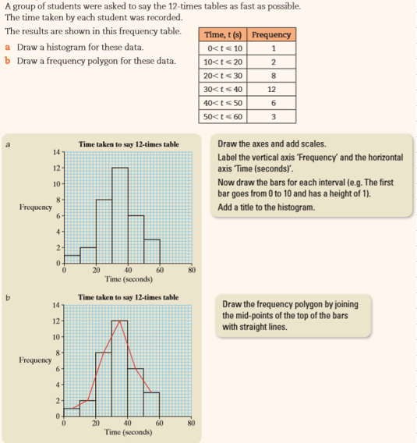

Super Example 1 Figures 1 - 4
Using Excel to create a box plot
Box plot for statistics data
ID | x | Quartile.exc function
1 | 73 | Statistic | Value
2 | 78 | Q1 | 74.5 | =QUARTILE(B4:B43,1)
3 | 75 | Minimum | 73 | =MIN(B4:B43)
4 | 75 | Median | 75 | =QUARTILE.EXC(B4:B43,2)
5 | 73 | Maximum | 78 | =MAX(B4:B43)
6 | 78 | Q3 | 77.25 | =QUARTILE.EXC(B4:B43,3)
7 | 75
8 | 75
9 | 73
10 | 78
11 | 75
12 | 75
13 | 73
14 | 78
15 | 75
16 | 75
17 | 73
18 | 78
19 | 75
20 | 75
21 | 73
22 | 78
23 | 75
24 | 75
25 | 73
26 | 78
27 | 75
28 | 75
29 | 73
30 | 78
31 | 75
32 | 75
33 | 73
34 | 78
35 | 75
36 | 75
37 | 73
38 | 78
39 | 75
40 | 75

